GOALIE SMOCK - Apr 2019
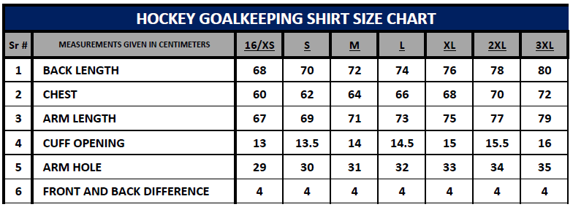
OHA Hockey Club GOALIE SMOCK Uniform Order

IMPORTANT: 1) Complete this excel order form. 2) Deposit $ total into the Clubs ANZ bank & quote "OHA UNIFORM” as the bank reference. Account Name: OHA HOCKEY CLUB INC. BSB: 017010 Account: 496923174 3) Email order form as an attachment or scanned image to: uniforms@ohahockeyclub.com 4) Uniform Co-ordinator will email you a summary of what has been recorded and assigned reference number. 5) You will be contacted when stock arrives. * Any enquiries can be emailed to uniforms@ohahockeyclub.com or phone Hayden on 0414 702 183 |  |  |  |  |  |  |  |  |  |  |  |  | Name:
 |  |  |  |  |  |  |  |  |  |  |  |  | Playing Grade(s):
 |  |  |  |  |  |  |  |  |  |  |  |  | Contact Number:
 |  |  |  |  |  |  |  |  |  |  |  |  | Email Address:
 |  |  |  |  |  |  |  |  |  |  |  |  | Home Address:
 |  |  |  |  |  |  |  |  |  |  |  |  | Name and or Number: (If required) + $7.00

 | GOALIE SMOCK - Long Sleeve (A short sleeve varient can be arranged by special request)
 |  |  |  |  |  |  |  |  |  |  |  |  |  | Number of garments ordered with a player number and or name
 |  |  |  |  |  |  |  |  |  |  |  |  |  |  | $0.00
 |  | Size | 16/XS | S | M | L | XL | 2XL | 3XL | Total QTY |  | Price Inc GST

 |  | QTY |  |  |  |  |  |  |  | 0 |  | $55.00

 |  |  |  |  |  |  |  |  |  | Total Cost |  | $0.00

 |  |  |  |  |  |  |  | Total Garments |  |  | 0

 |  |  |  |  |  |  |  | Total Cost Inc GST |  |  | $0.00

 |  |  |  |  |  |  |  | * $7 for a number and or name addition.

