WOMENS BODY SUIT - Apr 2019
OHA Hockey Club Uniform Order

IMPORTANT: 1) This is a specialised item for A Pool girls / women with supplier, Nova Swimwear. 2) Deposit $ total into the Clubs ANZ bank & quote "OHA UNIFORM” as the bank reference. Account Name: OHA HOCKEY CLUB INC. BSB: 017010 Account: 496923174 3) Email order form as an attachment or scanned image to: uniforms@ohahockeyclub.com 4) You will receive a confirmation email summary within 24 hours and will be contacted when stock arrives. (3 week turn araound) * Any enquiries can be emailed to uniforms@ohahockeyclub.com or phone Hayden on 0414 702 183 |  |  |  |  |  |  |  |  |  |  |  |  |  | Name:
 |  |  |  |  |  |  |  |  |  |  |  |  |  | Playing Grade(s):
 |  |  |  |  |  |  |  |  |  |  |  |  |  | Contact Number:
 |  |  |  |  |  |  |  |  |  |  |  |  |  | Email Address:
 |  |  |  |  |  |  |  |  |  |  |  |  |  | Home Address:
 |  |  |  |  |  |  |  |  |  |  |  |  |  | Player number: (Included in price)

 | Womens Body Suit |  |  |  |  |  |  |  |  |  |  |  |  |  | Womens Skirt

 | Size | W 8 | W 10 | W 12 | W 14 | W 16 | W 18 | W 20 | W 22 | W 24 | W 26 | Total QTY | Price Inc GST |  | Size | G 6 | G 8 | G 10 | G 12 | G 14 | W 8 | W 10 | W 12 | W 14 | W 16 | W 18 | W 20 | Total QTY |  | Price Inc GST

 | QTY |  |  |  |  |  |  |  |  |  |  | 0 | $123.00 |  | QTY |  |  |  |  |  |  |  |  |  |  |  |  | 0 |  | $66.00

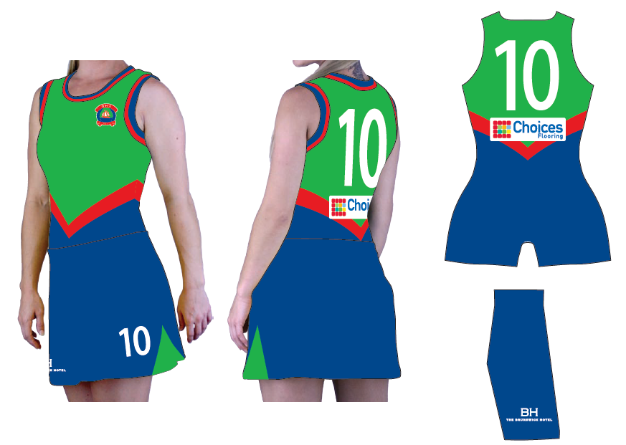
 |  |  |  |  |  |  |  |  |  |  |  | Total Cost | $0.00 |  |  |  |  |  |  |  |  |  |  |  |  |  |  | Total Cost |  | $0.00
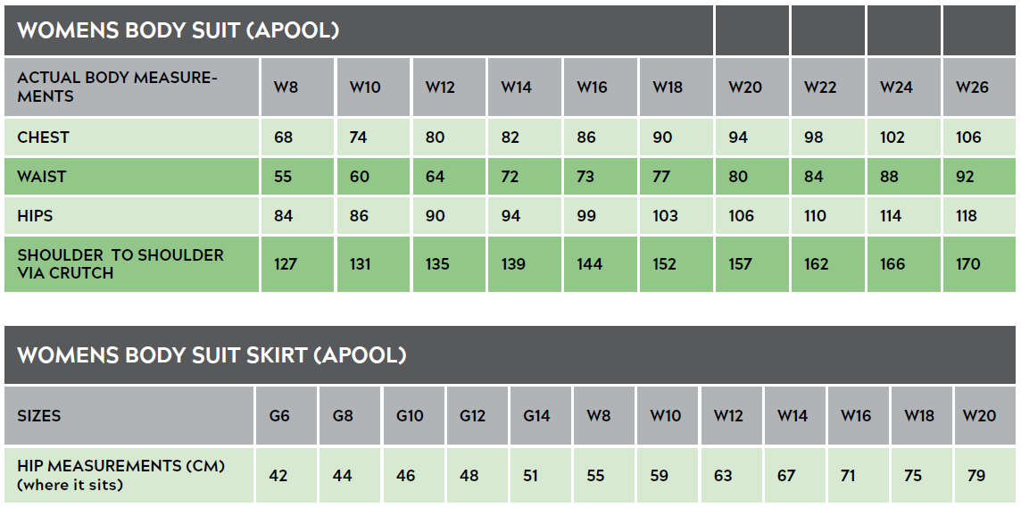
 |  |  |  |  |  |  |  |  |  |  |  |  |  |  |  |  |  |  |  |  |  |  |  |  | Total Garments |  |  |  | 0

 |  |  |  |  |  |  |  |  |  |  |  |  |  |  |  |  |  |  |  |  |  |  |  |  | Shipping Cost @ $8 |  |  |  | $8.00
 |  |  |  |  |  |  |  |  |  |  |  |  |  |  |  |  |  |  |  |  |  |  |  |  | Total Cost Inc GST |  |  |  | $8.00

